PRD
Product Requirement Document (PRD) - Version: 1.0

Template Name
Goals & Objective |  | Welcome to our Crowdfunding Platform! Our mission is to offer a secure and effective space for individuals and organizations to raise funds and contribute to meaningful causes. Here's what you can do on our platform as an admin, fundraiser, or donor: - Raise funds and donate with minimal platform fees. - Fundraisers can create campaigns to raise funds. - Donors can contribute money. - Admins, fundraisers, and donors can give away used or unused belongings. - View raised fund and donation statistics on the dashboard. - Donors can contact fundraisers for more information. - Real-time chat support with admin for fundraisers and donors. - View transaction history. - Update profile information. - Share campaigns on social media. - Track campaign progress for fundraisers. - Comment on active campaigns as a donor. - Can subscribe to campaigns with monthly or yearly subscriptions as a donor. - Add campaigns to favorites. - Discover nearby campaigns. - Check if fundraisers are verified. - Fundraisers can view donor information and send thank-you messages.
Client Information
Product Type |  | Web Application
Domain |  | Web2
Access Layers |  | Admin, Fundraiser and Donor
Design Required |  | Yes


Phase | Item No | Specification [Role] | Screen Definition | User Story | Acceptance Criteria | UI Screen / Wireframe | Tags
Feature: 1 |  | Auth Feature
Feature: 2 |  | Dashboard
Feature: 3 |  | Top bar and Bottom Bar
 | 10 | Top bar | table row 1 col1 : logo col2 : page links col3 : Logged in as, cseshamim47 | logout | - clicking on logo will take user to dashboard - clicking on logout will logout user - clicking on username will take him to profile page | - logout should erase cookie and user should not be able to go to dashboard without login again | 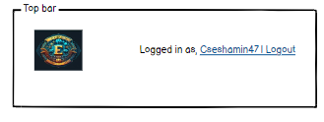 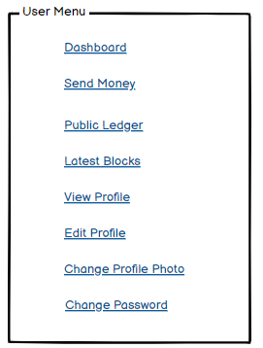
 | 11 | Bottom Bar | copyright and year | none | none
Feature: 4 |  | Create Campaigns
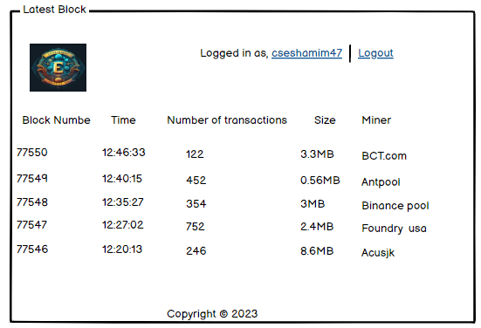
Feature: 5 |  | Donate
Feature: 6 |  | Withdraw Fund
Feature: 7 |  | Search Functionality
Feature: 8 |  | Chat with Fundraiser
Feature: 9 |  | Verification
Feature: 10 |  | Profile
Feature: 11 |  | Transaction Details
Feature: 12 |  | Payment Methods
Feature: 13 |  | Notification
Feature: 14 |  | Ability to Save Favorite Campaigns
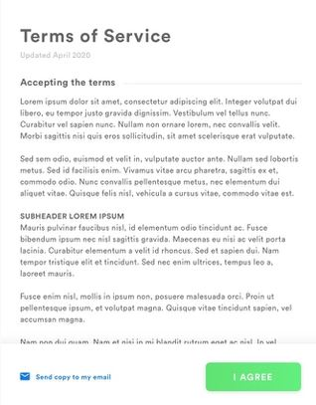
Feature: 15 |  | Legal Agreement Feature
Feature: 16 |  | Transaction History
Feature: 17 |  | About
Feature: 18 |  | Social Sharing
Feature: 19 |  | Donor Management
Feature: 20 |  | Support and FAQ Section
Feature: 21 |  | Giveaway
Feature: 22 |  | Monthly and Yearly Donation
Feature: 23 |  | Upload

 |  | Name | Features
 |  | Tanzim Ikram Sheikh (21-45275-2) | Create Campaigns
 |  |  | Verification
 |  |  | Upload
 |  |  | Giveaway
 |  |  | Social Sharing
 |  |  | Ability to Save Favorite Campaigns
 |  |  | Profile
 |  |  | Dashboard
 |  | Ajmayeen Chisty (21-45331-2) | Chat with Fundraiser
 |  |  | Donor Management
 |  |  | Notification
 |  | MD.Jisan (21-45146-2) | Donate
 |  |  | Withdraw Fund
 |  |  | Transaction Details
 |  |  | Payment Methods
 |  |  | Monthly and Yearly Donation
 |  |  | Transaction History
 |  | MD Ridwan Hossain Rafin (21-45175-2) | Auth Feature
 |  |  | About
 |  |  | Top bar and Bottom Bar
 |  |  | Support and FAQ Section
 |  |  | Legal Agreement Feature
 |  |  | Search Functionality

